Лист1
 |  | S SERIES FILTER REPLACEMENT PARTS

Parts of S SERIES Models: S700B/S800/ S900
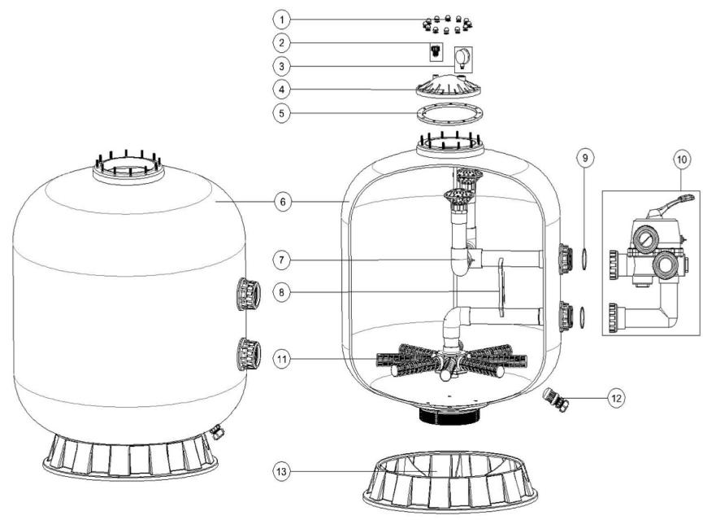

Key No. | Part No. | Description | Piece(s) Required
1 | 89010601 | Nut with washer | 12
2 | 89010701 | Air Release Valve with Oring | 1
3 | 06011032 | Maximum 40PSI Indication, Stainless Steel Casing | 1
4 | 01172005 | Lid (Grey Colour) | 1
5 | 02011126 | Filter Neck Gasket | 1
6 | 89011202 | S700B Filter Tank | 1
6 | 89011208 | Filter Tank with Base for S800 | 1
6 | 89011209 | Filter Tank with Base for S900 | 1
7 | 89011203 | The Inner Tank System for S700 (B) | 1
7 | 89011210 | The Inner Tank System for S800 | 1
7 | 89011211 | The Inner Tank System for S900 | 1
8 | 01111090 | 2.0" Tank System Support | 1
9 | 02011127 | O-Ring for Inlet & Outlet | 2
10 | 88280813W | 6 Way 2" Valve with Piping Kit, 2" union set x 3 and pressure gauge (White) | 1
11 | 01172010 | Laterals (185mm) | 8
11 | 01172011 | Laterals (233mm) | 8
12 | 89010107 | Water Drain Set | 1
13 | 01111062 | 21-28inch Filter Base | 1
13 | 01112038 | 32-40 inch Filter Base | 1
Notes: | 11* 01172010 laterals (185mm) is for S700B
 | 11* 01172011 laterals (233mm) is for S800 & S900

