Лист1
 |  | FSF-6W FILTRATION COMBO REPLACEMENT PARTS

Parts of FSF Models: FSF400-6W with SS050/ FSF400-6W with SS075/ FSF400-6W with SC100/ FSF-4006W wirh SC150
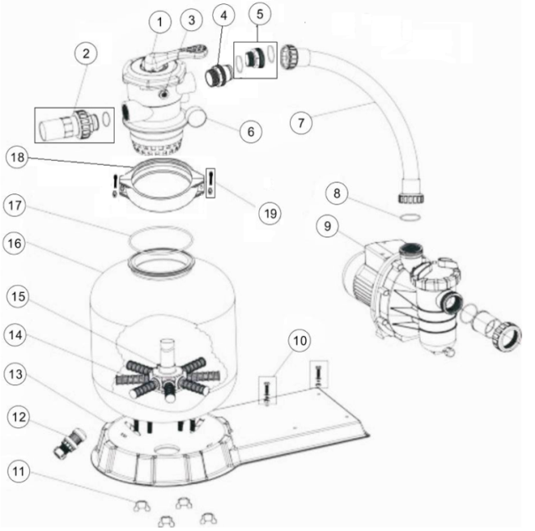

Key No. | Part No. | Description | Piece(s) Required
1* | 88280105 | 1.5" Top Mount Valve (Black/ White Colour) | 1
2* | 89280101 | 1.5" Union with Sight Glass and O-Ring (Black/ White Colour) | 1
3 | 01111048 | Connector for Pressure Gauge/Stopper | 1
4* | 89280102 | 1.5" Union Set with O-Ring (Black/ White Colour) | 1
5 | 89032102 | 1.5" Bulkhaed Fitting with O-Ring | 1
6 | 06011029 | Maximum 40PSI Indication, Stainless Steel Casing | 1
7 | 89032103 | FSF400-6W Plastic Hose with Nut | 1
7 | 89032201 | FSF450-6W Plastic Hose with Nut | 1
7 | 89032301 | FSF500-6W Plastic Hose with Nut | 1
7 | 89032401 | FSF650-6W Plastic Hose with Nut | 1
8 | 02011104 | O-Ring for 1.5" Union | 1
9 | 88022403 | Pump 0.50hp, 220V/50Hz, Single Phase | 1
9 | 88022404 | Pump 0.75hp, 220V/50Hz, Single Phase | 1
9 | 88021705 | Pump 1.00hp, 220V/50Hz, Single Phase | 1
9 | 88021707 | Pump 1.50hp, 220V/50Hz, Single Phase | 1
10 | 89032001 | Pump Assembly Screw | 2
11 | 01181052 | Fastener for Filter Base | 4
12 | 89010107 | Water Drain Set | 1
13 | 01111053 | FSP/F400-6W - FSP/F650-6W Combo Base | 1
14 | 01172007 | Laterals(115mm) | 8
14 | 01172008 | Laterals (126mm) | 8
15 | 89010116 | V400 Lateral Assembly with Center Pipe | 1
15 | 89010105 | V450 Lateral Assembly with Center Pipe | 1
15 | 89010104 | V500 Lateral Assembly with Center Pipe | 1
15 | 89010103 | V650 Lateral Assembly with Center Pipe | 1
16 | 89010113 | V400 Filter tank | 1
16 | 89010112 | V450Filter Tank | 1
16 | 89010111 | V500 Filter tank | 1
16 | 89010110 | V650 Filter tank | 1
17 | 02011134 | O-Ring for Filter Neck | 1
18 | 01271010 | Clamp Lock | 2
19 | 89010119 | M6*50 Screws With Nut | 2
Note: | 1* 88280105B is 1.5" Top Mount Valve in Black Colour
 | 1* 88280105W is 1.5" Top Mount Valve in White Colour
 | 2* 89280101B is 1.5" Union with Sight Glass and O-Ring in Black Colour
 | 2* 89280101W is 1.5" Union with Sight Glass and O-Ring in White Colour
 | 4* 88280102B is 1.5" Union Set wirh O-ring in Black Colour
 | 4* 88280102W is 1.5" Union Set wirh O-ring in White Colour

